Naive
Year | LifeExpectancy | Predicted
1960 | 41.9
1961 | 42.6 | 41.9
1962 | 43.4 | 42.6
1963 | 44.1 | 43.4
1964 | 44.9 | 44.1 | Period | Actual | Forecast | Error | Absolute Value of Error | Square of Error | Absolute Values of Errors Divided by Actual Values.
1965 | 45.7 | 44.9 | year | At | Ft | At -Ft | | At -Ft| | ( At -Ft)^2 | | (At -Ft)/At|
1966 | 46.5 | 45.7 | 2011 | 66.9 | 66.7 | 0.2000 | 0.2000 | 0.0400 | 0.0029895366218
1967 | 47.3 | 46.5 | 2012 | 67.3 | 66.9 | 0.4000 | 0.4000 | 0.1600 | 0.0059435364042
1968 | 48 | 47.3 | 2013 | 67.7 | 67.3 | 0.4000 | 0.4000 | 0.1600 | 0.0059084194978
1969 | 48.7 | 48 | 2014 | 68.1 | 67.7 | 0.4000 | 0.4000 | 0.1600 | 0.0058737151248
1970 | 49.5 | 48.7 | 2015 | 68.4 | 68.1 | 0.3 | 0.3 | 0.09 | 0.0043859649123
1971 | 49.9 | 49.5 | 2016 | 68.6 | 68.4 | 0.2 | 0.2 | 0.04 | 0.002915451895
1972 | 50.4 | 49.9 | 2017 | 69 | 68.6 | 0.4 | 0.4 | 0.16 | 0.0057971014493
1973 | 51 | 50.4 |  | Totals |  | 2.3000 | 2.3000 | 0.8100 | 0.0338
Naive Forecasting
1974 | 51.5 | 51 |  | n | 7
1975 | 52 | 51.5 |  | MAD | 0.32857142857
1976 | 52.6 | 52 |  | MSE | 0.11571428571
1977 | 53.1 | 52.6 |  | RMSE | 0.34016802571
1978 | 53.8 | 53.1 |  | MAPE (%) | 0.48305322722
1979 | 54.4 | 53.8
1980 | 55 | 54.4
1981 | 55.5 | 55
1982 | 56 | 55.5
1983 | 56.5 | 56
1984 | 56.9 | 56.5
1985 | 57.4 | 56.9
1986 | 57.8 | 57.4
1987 | 58.3 | 57.8
1988 | 58.7 | 58.3
1989 | 59.1 | 58.7
1990 | 59.6 | 59.1
1991 | 59.9 | 59.6
1992 | 60.2 | 59.9
1993 | 60.8 | 60.2
1994 | 61.3 | 60.8
1995 | 61.8 | 61.3
1996 | 62.1 | 61.8
1997 | 62 | 62.1
1998 | 62.1 | 62
1999 | 62.6 | 62.1
2000 | 62.9 | 62.6
2001 | 63.3 | 62.9
2002 | 63.9 | 63.3
2003 | 64.5 | 63.9
2004 | 65.2 | 64.5
2005 | 65.5 | 65.2
2006 | 65.8 | 65.5
2007 | 66 | 65.8
2008 | 66.2 | 66
2009 | 66.5 | 66.2
2010 | 66.7 | 66.5
2011 | 66.9 | 66.7
2012 | 67.3 | 66.9
2013 | 67.7 | 67.3
2014 | 68.1 | 67.7
2015 | 68.4 | 68.1
2016 | 68.6 | 68.4
2017 | 69 | 68.6

Year | LifeExpectancy | Predicted
2011 | 66.9 | 66.7
2012 | 67.3 | 66.9
2013 | 67.7 | 67.3
2014 | 68.1 | 67.7
2015 | 68.4 | 68.1
2016 | 68.6 | 68.4
2017 | 69 | 68.6

Moving Average
Year | LifeExpectancy | 3 year | 4 year | 5 year
1960 | 41.9 |  |  |  | 3 Year
1961 | 42.6 |  |  |  | Period | Actual | Forecast | Error | Absolute Value of Error | Square of Error | Absolute Values of Errors Divided by Actual Values.
1962 | 43.4 |  |  |  | year | At | Ft | At -Ft | | At -Ft| | ( At -Ft)^2 | | (At -Ft)/At|
1963 | 44.1 |  |  |  | 2011 | 66.9 | 66.5 | 0.4333 | 0.4333 | 0.1878 | 0.0065
1964 | 44.9 |  |  |  | 2012 | 67.3 | 66.7 | 0.6000 | 0.6000 | 0.3600 | 0.0089
1965 | 45.7 |  |  |  | 2013 | 67.7 | 67.0 | 0.7333 | 0.7333 | 0.5378 | 0.0108
1966 | 46.5 |  |  |  | 2014 | 68.1 | 67.3 | 0.8000 | 0.8000 | 0.6400 | 0.0117
1967 | 47.3 |  |  |  | 2015 | 68.4 | 67.7 | 0.7000 | 0.7000 | 0.4900 | 0.0102
1968 | 48 |  |  |  | 2016 | 68.6 | 68.1 | 0.5333 | 0.5333 | 0.2844 | 0.0078
1969 | 48.7 |  |  |  | 2017 | 69 | 68.4 | 0.6333 | 0.6333 | 0.4011 | 0.0092
1970 | 49.5 |  |  |  |  | Totals |  | 4.4333 | 4.4333 | 2.9011 | 0.0652
1971 | 49.9 |  |  |  |  | n | 7
1972 | 50.4 |  |  |  |  | MAD | 0.63333333333
1973 | 51 |  |  |  |  | MSE | 0.41444444444
1974 | 51.5 |  |  |  |  | RMSE | 0.64377359719
1975 | 52 |  |  |  |  | MAPE | 0.93084810132
1976 | 52.6
1977 | 53.1 |  |  |  | 4 Year
1978 | 53.8 |  |  |  | Period | Actual | Forecast | Error | Absolute Value of Error | Square of Error | Absolute Values of Errors Divided by Actual Values.
1979 | 54.4 |  |  |  | year | At | Ft | At -Ft | | At -Ft| | ( At -Ft)^2 | | (At -Ft)/At|
1980 | 55 |  |  |  | 2011 | 66.9 | 66.4 | 0.5500 | 0.5500 | 0.3025 | 0.0082
1981 | 55.5 |  |  |  | 2012 | 67.3 | 66.6 | 0.7250 | 0.7250 | 0.5256 | 0.0108
1982 | 56 |  |  |  | 2013 | 67.7 | 66.9 | 0.8500 | 0.8500 | 0.7225 | 0.0126
1983 | 56.5 |  |  |  | 2014 | 68.1 | 67.2 | 0.9500 | 0.9500 | 0.9025 | 0.0140
1984 | 56.9 |  |  |  | 2015 | 68.4 | 67.5 | 0.9000 | 0.9000 | 0.8100 | 0.0132
1985 | 57.4 |  |  |  | 2016 | 68.6 | 67.9 | 0.7250 | 0.7250 | 0.5256 | 0.0106
1986 | 57.8 |  |  |  | 2017 | 69 | 68.2 | 0.8000 | 0.8000 | 0.6400 | 0.0116
1987 | 58.3 |  |  |  |  | Totals |  | 5.5000 | 5.5000 | 4.4288 | 0.0808
1988 | 58.7 |  |  |  |  | n | 7
1989 | 59.1 |  |  |  |  | MAD | 0.78571428571
1990 | 59.6 |  |  |  |  | MSE | 0.63267857143
1991 | 59.9 |  |  |  |  | RMSE | 0.795410945
1992 | 60.2 |  |  |  |  | MAPE | 1.1545708722
1993 | 60.8
1994 | 61.3 |  |  |  | 5 Year
1995 | 61.8 |  |  |  | Period | Actual | Forecast | Error | Absolute Value of Error | Square of Error | Absolute Values of Errors Divided by Actual Values.
1996 | 62.1 |  |  |  | year | At | Ft | At -Ft | | At -Ft| | ( At -Ft)^2 | | (At -Ft)/At|
1997 | 62 |  |  |  | 2011 | 66.9 | 66.2 | 0.6600 | 0.6600 | 0.4356 | 0.0099
1998 | 62.1 |  |  |  | 2012 | 67.3 | 66.5 | 0.8400 | 0.8400 | 0.7056 | 0.0125
1999 | 62.6 |  |  |  | 2013 | 67.7 | 66.7 | 0.9800 | 0.9800 | 0.9604 | 0.0145
2000 | 62.9 |  |  |  | 2014 | 68.1 | 67.0 | 1.0800 | 1.0800 | 1.1664 | 0.0159
2001 | 63.3 |  |  |  | 2015 | 68.4 | 67.3 | 1.0600 | 1.0600 | 1.1236 | 0.0155
2002 | 63.9 |  |  |  | 2016 | 68.6 | 67.7 | 0.9200 | 0.9200 | 0.8464 | 0.0134
2003 | 64.5 |  |  |  | 2017 | 69 | 68.0 | 0.9800 | 0.9800 | 0.9604 | 0.0142
2004 | 65.2 |  |  |  |  | Totals |  | 6.5200 | 6.5200 | 6.1984 | 0.0958
2005 | 65.5 |  |  |  |  | n | 7
2006 | 65.8 |  |  |  |  | MAD | 0.93142857143
2007 | 66 |  |  |  |  | MSE | 0.88548571429
2008 | 66.2 |  |  |  |  | RMSE | 0.94100250493
2009 | 66.5 |  |  |  |  | MAPE | 1.3684658457
2010 | 66.7
Moving Average
2011 | 66.9 | 66.5 | 66.4 | 66.2
2012 | 67.3 | 66.7 | 66.6 | 66.5
2013 | 67.7 | 67.0 | 66.9 | 66.7
2014 | 68.1 | 67.3 | 67.2 | 67.0
2015 | 68.4 | 67.7 | 67.5 | 67.3
2016 | 68.6 | 68.1 | 67.9 | 67.7
2017 | 69 | 68.4 | 68.2 | 68.0

Year | LifeExpectancy | 3 year | 4 year | 5 year
2011 | 66.9 | 66.5 | 66.4 | 66.2
2012 | 67.3 | 66.7 | 66.6 | 66.5
2013 | 67.7 | 67.0 | 66.9 | 66.7
2014 | 68.1 | 67.3 | 67.2 | 67.0
2015 | 68.4 | 67.7 | 67.5 | 67.3
2016 | 68.6 | 68.1 | 67.9 | 67.7
2017 | 69 | 68.4 | 68.2 | 68.0

 | 3 year | 4 year | 5 year
MAD | 0.6333 | 0.7857 | 0.9314
MSE | 0.4144 | 0.6327 | 0.8855
RMSE | 0.6438 | 0.7954 | 0.9410
MAPE | 0.9308 | 1.1546 | 1.3685

Exponential Smoothing
 | Actual | Forecasted
Year | LifeExpectancy | Simple | Holt's Linear Trend | Damped Trend
2011 | 66.9 | 66.7 | 66.9 | 66.9
2012 | 67.3 | 66.7 | 67.2 | 67.2
2013 | 67.7 | 66.7 | 67.4 | 67.4
2014 | 68.1 | 66.7 | 67.6 | 67.6
2015 | 68.4 | 66.7 | 67.8 | 67.9
2016 | 68.6 | 66.7 | 68.1 | 68.1
2017 | 69 | 66.7 | 68.3 | 68.3

Simple
Period | Actual | Forecast | Error | Absolute Value of Error | Square of Error | Absolute Values of Errors Divided by Actual Values.
year | At | Ft | At -Ft | | At -Ft| | ( At -Ft)^2 | | (At -Ft)/At|
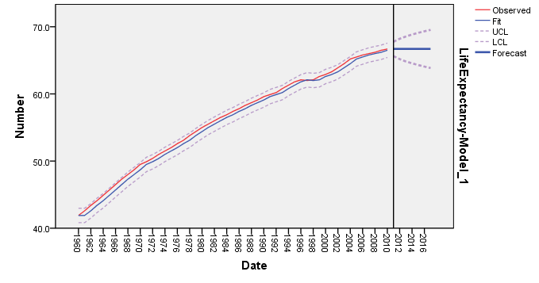
2011 | 66.9 | 66.7 | 0.2000 | 0.2000 | 0.0400 | 0.0030
2012 | 67.3 | 66.7 | 0.6000 | 0.6000 | 0.3600 | 0.0089
2013 | 67.7 | 66.7 | 1.0000 | 1.0000 | 1.0000 | 0.0148
2014 | 68.1 | 66.7 | 1.4000 | 1.4000 | 1.9600 | 0.0206
2015 | 68.4 | 66.7 | 1.7000 | 1.7000 | 2.8900 | 0.0249
2016 | 68.6 | 66.7 | 1.9000 | 1.9000 | 3.6100 | 0.0277
2017 | 69 | 66.7 | 2.3000 | 2.3000 | 5.2900 | 0.0333
 | Totals |  | 9.1000 | 9.1000 | 15.1500 | 0.1331
 | n | 7
 | MAD | 1.3000000746
 | MSE | 2.1642859082
 | RMSE | 1.4711512187
 | MAPE | 1.9016832585

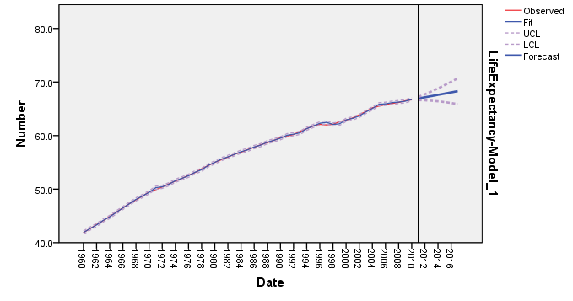
Holt's Linear Trend
Period | Actual | Forecast | Error | Absolute Value of Error | Square of Error | Absolute Values of Errors Divided by Actual Values.
year | At | Ft | At -Ft | | At -Ft| | ( At -Ft)^2 | | (At -Ft)/At|
2011 | 66.9 | 66.9 | -0.0280 | 0.0280 | 0.0008 | 0.0004
2012 | 67.3 | 67.2 | 0.1440 | 0.1440 | 0.0207 | 0.0021
2013 | 67.7 | 67.4 | 0.3160 | 0.3160 | 0.0998 | 0.0047
2014 | 68.1 | 67.6 | 0.4880 | 0.4880 | 0.2381 | 0.0072
2015 | 68.4 | 67.8 | 0.5600 | 0.5600 | 0.3136 | 0.0082
2016 | 68.6 | 68.1 | 0.5320 | 0.5320 | 0.2830 | 0.0078
2017 | 69 | 68.3 | 0.7040 | 0.7040 | 0.4956 | 0.0102
 | Totals |  | 2.7159 | 2.7719 | 1.4517 | 0.0405
 | n | 7
 | MAD | 0.39599094974
 | MSE | 0.20738446945
 | RMSE | 0.45539485004
 | MAPE | 0.57908573728

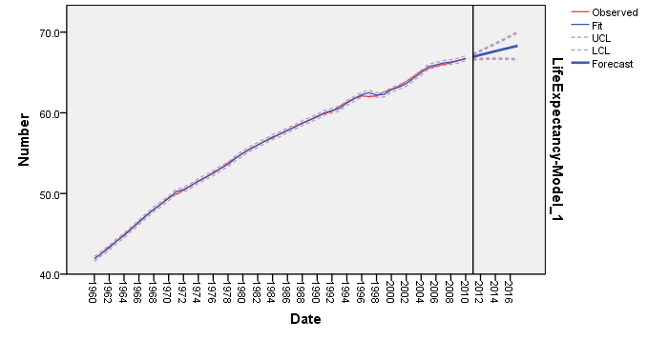
Damped Trend
Period | Actual | Forecast | Error | Absolute Value of Error | Square of Error | Absolute Values of Errors Divided by Actual Values.
year | At | Ft | At -Ft | | At -Ft| | ( At -Ft)^2 | | (At -Ft)/At|
2011 | 66.9 | 66.9 | -0.0436 | 0.0436 | 0.0019 | 0.0007
2012 | 67.3 | 67.2 | 0.1175 | 0.1175 | 0.0138 | 0.0017
2013 | 67.7 | 67.4 | 0.2831 | 0.2831 | 0.0801 | 0.0042
2014 | 68.1 | 67.6 | 0.4531 | 0.4531 | 0.2053 | 0.0067
2015 | 68.4 | 67.9 | 0.5276 | 0.5276 | 0.2783 | 0.0077
2016 | 68.6 | 68.1 | 0.5063 | 0.5063 | 0.2563 | 0.0074
2017 | 69 | 68.3 | 0.6892 | 0.6892 | 0.4750 | 0.0100
 | Totals |  | 2.5331 | 2.6203 | 1.3108 | 0.0383
 | n | 7
 | MAD | 0.37433456487
 | MSE | 0.18725773442
 | RMSE | 0.43273286727
 | MAPE | 0.54734628643

 | Simple | Holt's Linear Trend | Damped Trend
MAD | 1.3000 | 0.3960 | 0.3743
MSE | 2.1643 | 0.2074 | 0.1873
RMSE | 1.4712 | 0.4554 | 0.4327
MAPE (%) | 1.9017 | 0.5791 | 0.5473

ARIMA
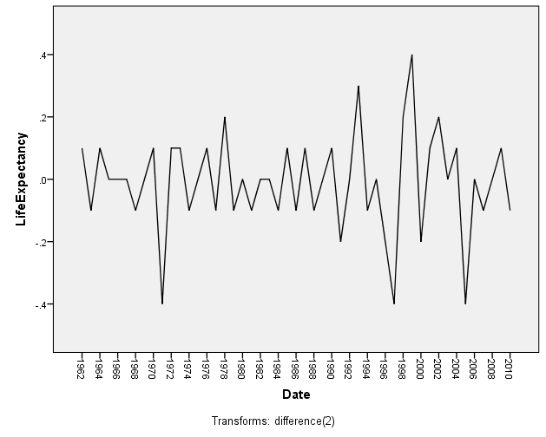
Year | LifeExpectancy | ARIMA (0,2,6)
2011 | 66.9 | 66.9
2012 | 67.3 | 67.2
ARIMA
2013 | 67.7 | 67.4
2014 | 68.1 | 67.6
2015 | 68.4 | 67.8
2016 | 68.6 | 68.0
2017 | 69 | 68.2

ARIMA
Period | Actual | Forecast | Error | Absolute Value of Error | Square of Error | Absolute Values of Errors Divided by Actual Values.
year | At | Ft | At -Ft | | At -Ft| | ( At -Ft)^2 | | (At -Ft)/At|
2011 | 66.9 | 66.9 | -0.0233 | 0.0233 | 0.0005 | 0.0003
2012 | 67.3 | 67.2 | 0.1426 | 0.1426 | 0.0203 | 0.0021
2013 | 67.7 | 67.4 | 0.3206 | 0.3206 | 0.1028 | 0.0047
2014 | 68.1 | 67.6 | 0.4908 | 0.4908 | 0.2408 | 0.0072
2015 | 68.4 | 67.8 | 0.5762 | 0.5762 | 0.3320 | 0.0084
2016 | 68.6 | 68.0 | 0.5771 | 0.5771 | 0.3330 | 0.0084
2017 | 69 | 68.2 | 0.7876 | 0.7876 | 0.6204 | 0.0114
 | Totals |  | 2.8716 | 2.9182 | 1.6499 | 0.0427
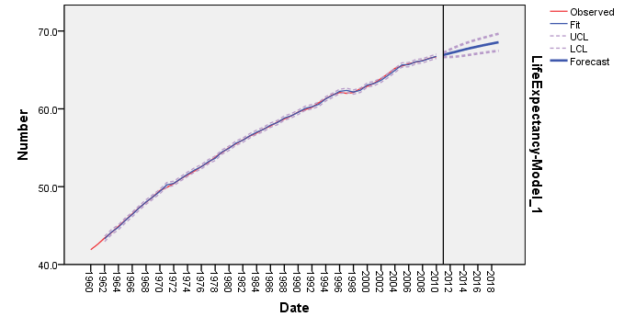
 | n | 7
 | MAD | 0.4169
 | MSE | 0.2357
 | RMSE | 0.4855
 | MAPE | 0.6094

BIvariate Regression
Coefficientsa
Model |  | Unstandardized Coefficients |  | Standardized Coefficients | t | Sig. | 95.0% Confidence Interval for B
 |  | B | Std. Error | Beta |  |  | Lower Bound | Upper Bound
1 | (Constant) | 74.999 | 0.411 |  | 182.654 | 0.000 | 74.173 | 75.824
 | ChildMortalityper1000 | -0.125 | 0.003 | -0.990 | -48.721 | 0.000 | -0.130 | -0.119
a. Dependent Variable: LifeExpectancy

Bivariate
Year | LifeExpectancy | D | ChildMortalityper1000 | Predicted
2011 | 66.9 | 1 | 55.1 | 68.13395061
2012 | 67.3 | 1 | 52.1 | 68.507708108
2013 | 67.7 | 1 | 49.1 | 68.881465607
2014 | 68.1 | 1 | 46.3 | 69.230305938
2015 | 68.4 | 1 | 43.6 | 69.566687687
2016 | 68.6 | 1 | 41.1 | 69.878152269
2017 | 69 | 1 | 38.7 | 70.177158267

Bivariate
Period | Actual | Forecast | Error | Absolute Value of Error | Square of Error | Absolute Values of Errors Divided by Actual Values.
year | At | Ft | At -Ft | | At -Ft| | ( At -Ft)^2 | | (At -Ft)/At|
2011 | 66.9 | 68.1 | -1.2340 | 1.2340 | 1.5226 | 0.0184
2012 | 67.3 | 68.5 | -1.2077 | 1.2077 | 1.4586 | 0.0179
2013 | 67.7 | 68.9 | -1.1815 | 1.1815 | 1.3959 | 0.0175
2014 | 68.1 | 69.2 | -1.1303 | 1.1303 | 1.2776 | 0.0166
2015 | 68.4 | 69.6 | -1.1667 | 1.1667 | 1.3612 | 0.0171
2016 | 68.6 | 69.9 | -1.2782 | 1.2782 | 1.6337 | 0.0186
2017 | 69 | 70.2 | -1.1772 | 1.1772 | 1.3857 | 0.0171
 | Totals |  | -8.3754 | 8.3754 | 10.0352 | 0.1232
 | n | 7
 | MAD | 1.1965
 | MSE | 1.4336
 | RMSE | 1.1973
 | MAPE | 1.7598

Year | LifeExpectancy | Predicted
2011 | 66.9 | 68.13
2012 | 67.3 | 68.51
2013 | 67.7 | 68.88
2014 | 68.1 | 69.23
2015 | 68.4 | 69.57
2016 | 68.6 | 69.88
2017 | 69 | 70.18

Multivariate with dummy
Multivariate with dummy
Coefficientsa
Model |  | Unstandardized Coefficients |  | Standardized Coefficients | t | Sig. | 95.0% Confidence Interval for B
 |  | B | Std. Error | Beta |  |  | Lower Bound | Upper Bound
1 | (Constant) | 77.125 | 0.655 |  | 117.820 | 0.000 | 75.808 | 78.441
 | ChildMortalityper1000 | -0.135 | 0.004 | -1.075 | -37.988 | 0.000 | -0.143 | -0.128
 | D | -1.740 | 0.447 | -0.110 | -3.896 | 0.000 | -2.638 | -0.842
a. Dependent Variable: LifeExpectancy

Year | LifeExpectancy | D | ChildMortalityper1000 | Predicted
2011 | 66.9 | 1 | 55.1 | 67.927266831
2012 | 67.3 | 1 | 52.1 | 68.333293106
2013 | 67.7 | 1 | 49.1 | 68.739319381
2014 | 68.1 | 1 | 46.3 | 69.118277237
2015 | 68.4 | 1 | 43.6 | 69.483700884
2016 | 68.6 | 1 | 41.1 | 69.822056113
2017 | 69 | 1 | 38.7 | 70.146877133
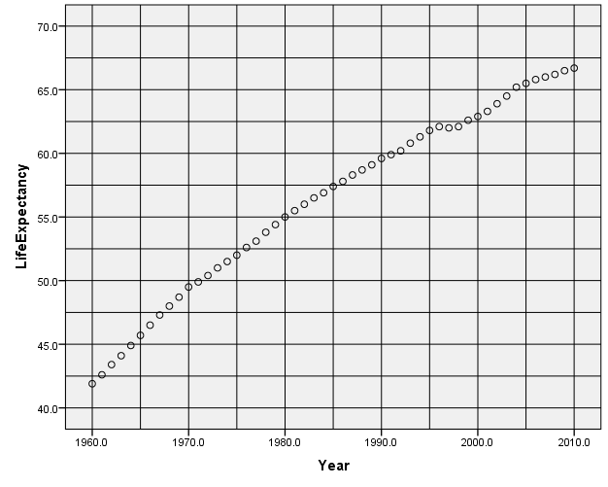
Dummy
Period | Actual | Forecast | Error | Absolute Value of Error | Square of Error | Absolute Values of Errors Divided by Actual Values.
year | At | Ft | At -Ft | | At -Ft| | ( At -Ft)^2 | | (At -Ft)/At|
2011 | 66.9 | 67.9 | -1.0273 | 1.0273 | 1.0553 | 0.0154
2012 | 67.3 | 68.3 | -1.0333 | 1.0333 | 1.0677 | 0.0154
2013 | 67.7 | 68.7 | -1.0393 | 1.0393 | 1.0802 | 0.0154
2014 | 68.1 | 69.1 | -1.0183 | 1.0183 | 1.0369 | 0.0150
2015 | 68.4 | 69.5 | -1.0837 | 1.0837 | 1.1744 | 0.0158
2016 | 68.6 | 69.8 | -1.2221 | 1.2221 | 1.4934 | 0.0178
2017 | 69 | 70.1 | -1.1469 | 1.1469 | 1.3153 | 0.0166
 | Totals |  | -7.5708 | 7.5708 | 8.2232 | 0.1113
 | n | 7
 | MAD | 1.0815415267
 | MSE | 1.1747430005
 | RMSE | 1.0838556179
 | MAPE | 1.5898932468

Year | LifeExpectancy | Predicted
2011 | 66.9 | 67.927266831
2012 | 67.3 | 68.333293106
2013 | 67.7 | 68.739319381
2014 | 68.1 | 69.118277237
2015 | 68.4 | 69.483700884
2016 | 68.6 | 69.822056113
2017 | 69 | 70.146877133

Intercept & slope dummy
Coefficientsa
Model |  | Unstandardized Coefficients |  | Standardized Coefficients | t | Sig. | 95.0% Confidence Interval for B
 |  | B | Std. Error | Beta |  |  | Lower Bound | Upper Bound
1 | (Constant) | 77.330 | 0.663 |  | 116.637 | 0.000 | 75.996 | 78.663
 | ChildMortalityper1000 | -0.136 | 0.004 | -1.084 | -37.774 | 0.000 | -0.144 | -0.129
 | D | -3.765 | 1.477 | -0.239 | -2.549 | 0.014 | -6.738 | -0.793
 | D_ChildMortality | 0.023 | 0.016 | 0.124 | 1.437 | 0.157 | -0.009 | 0.056
a. Dependent Variable: LifeExpectancy
 |  |  |  |  |  |  |  |  | Estimated Equation: LifeExpectancy = 77.330 - 3.765* D - .136* ChildMortalityper1000 + .023* D_ChildMortalityper1000
Year | LifeExpectancy | D | ChildMortalityper1000 | D_ChildMortality | Predicted
2011 | 66.9 | 1 | 55.1 | 55.1 | 67.337451534
2012 | 67.3 | 1 | 52.1 | 52.1 | 67.676470265
2013 | 67.7 | 1 | 49.1 | 49.1 | 68.015488995
2014 | 68.1 | 1 | 46.3 | 46.3 | 68.331906476
2015 | 68.4 | 1 | 43.6 | 43.6 | 68.637023334
2016 | 68.6 | 1 | 41.1 | 41.1 | 68.919538942
2017 | 69 | 1 | 38.7 | 38.7 | 69.190753926

Dummy
Period | Actual | Forecast | Error | Absolute Value of Error | Square of Error | Absolute Values of Errors Divided by Actual Values.
year | At | Ft | At -Ft | | At -Ft| | ( At -Ft)^2 | | (At -Ft)/At|
Intercept and slope dummy
2011 | 66.9 | 67.3 | -0.4375 | 0.4375 | 0.1914 | 0.0065
2012 | 67.3 | 67.7 | -0.3765 | 0.3765 | 0.1417 | 0.0056
2013 | 67.7 | 68.0 | -0.3155 | 0.3155 | 0.0995 | 0.0047
2014 | 68.1 | 68.3 | -0.2319 | 0.2319 | 0.0538 | 0.0034
2015 | 68.4 | 68.6 | -0.2370 | 0.2370 | 0.0562 | 0.0035
2016 | 68.6 | 68.9 | -0.3195 | 0.3195 | 0.1021 | 0.0047
2017 | 69 | 69.2 | -0.1908 | 0.1908 | 0.0364 | 0.0028
 | Totals |  | -2.1086 | 2.1086 | 0.6811 | 0.0311
 | n | 7
 | MAD | 0.30123335325
 | MSE | 0.097297125943
 | RMSE | 0.31192487227
 | MAPE | 0.4440869805

Year | LifeExpectancy | Predicted
2011 | 66.9 | 67.337451534
2012 | 67.3 | 67.676470265
2013 | 67.7 | 68.015488995
2014 | 68.1 | 68.331906476
2015 | 68.4 | 68.637023334
2016 | 68.6 | 68.919538942
2017 | 69 | 69.190753926

